Sheet1
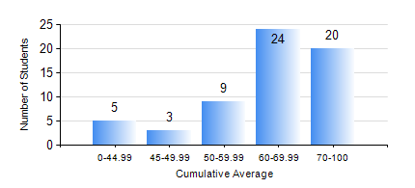
 |  |  | KWAME NKRUMAH UNIVERSITY OF SCIENCE AND TECHNOLOGY, KUMASI Department of Mechanical Engineering

 |  |  | BSC. AEROSPACE ENG., General Option

 |  |  | COMPREHENSIVE RECORD OF EXAMINATION RESULTS

 |  |  | RESULTS OF YEAR 1 FIRST SEMESTER, 2019/2020 ACADEMIC YEAR

 | Sn | Course Code |  | Course Name | Credit Hours | Min. Mark | Max. Mark | Avg. Mark | Std. Dev. | No. Passed | No. Trailed | No. (Df) | No. (I) | No. (I*) | No. Tagged(I,I*,Df) | Total
 | 1. | AERO 157 |  | INTRODUCTION TO AVIATION TECHNOLOGY | 2 | 20 | 82 | 60 | 14.52 | 58 | 3 | 0 | 0 | 0 | 0 | 61
 | 2. | CE 155 |  | ENVIRONMENTAL STUDIES | 2 | 40 | 90 | 66 | 9.99 | 61 | 0 | 0 | 0 | 0 | 0 | 61
 | 3. | EE 151 |  | APPLIED ELECTRICITY | 3 | 19 | 85 | 56 | 14.32 | 56 | 5 | 0 | 0 | 0 | 0 | 61
 | 4. | ENGL 157 |  | COMMUNICATION SKILLS I | 2 | 40 | 77 | 61 | 8.48 | 61 | 0 | 0 | 0 | 0 | 0 | 61
 | 5. | MATH 151 |  | ALGEBRA | 4 | 40 | 97 | 71 | 15.5 | 61 | 0 | 0 | 0 | 0 | 0 | 61
 | 6. | ME 157 |  | INTRODUCTION TO INFORMATION TECHNOLOGY | 2 | 29 | 97 | 73 | 14.9 | 60 | 1 | 0 | 0 | 0 | 0 | 61
 | 7. | ME 159 |  | TECHNICAL DRAWING | 3 | 6 | 85 | 60 | 13.86 | 59 | 2 | 0 | 0 | 0 | 0 | 61

